MLS
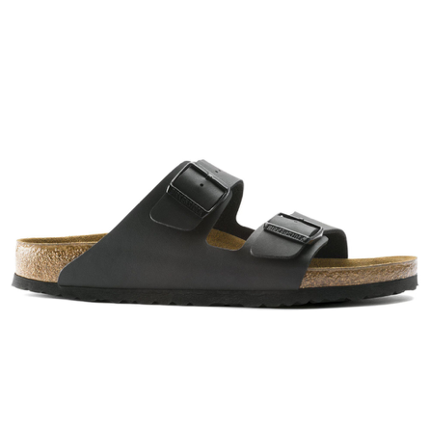
Product | EAN | Code | Size | RRP | Price | Stock | Total
Birkenstock Arizona Black naarow | 4013871059875 | 51793 | 36 | € 90.00 | € 54.00 | 11 | 594
Birkenstock Arizona Black naarow | 4013871064275 | 51793 | 37 | € 90.00 | € 54.00 | 23 | 1242
Birkenstock Arizona Black naarow | 4013871072706 | 51793 | 38 | € 90.00 | € 54.00 | 47 | 2538
Birkenstock Arizona Black naarow | 4013871009641 | 51793 | 39 | € 90.00 | € 54.00 | 47 | 2538
Birkenstock Arizona Black naarow | 4013871073390 | 51793 | 40 | € 90.00 | € 54.00 | 36 | 1944
Birkenstock Arizona Black naarow | 4013871010524 | 51793 | 41 | € 90.00 | € 54.00 | 23 | 1242
Birkenstock Arizona Black naarow | 4013871045205 | 51793 | 42 | € 90.00 | € 54.00 | 15 | 810
Birkenstock Arizona Black naarow | 4013871035022 | 51793 | 43 | € 90.00 | € 54.00 | 33 | 1782
Birkenstock Arizona Black naarow | 4013871011583 | 51793 | 44 | € 90.00 | € 54.00 | 30 | 1620
Birkenstock Arizona Black naarow | 4013871049227 | 51793 | 45 | € 90.00 | € 54.00 | 23 | 1242
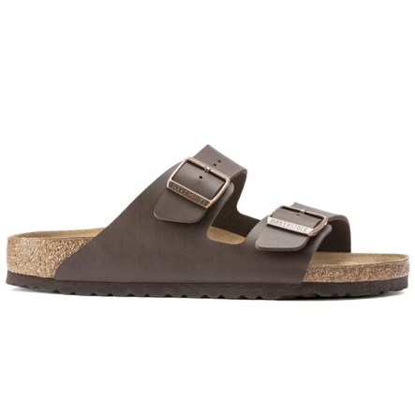
Birkenstock Arizona Black naarow | 4013871044017 | 51793 | 46 | € 90.00 | € 54.00 | 12 | 648
Birkenstock Arizona Brown narrow | 4013871074625 | 051703 | 36 | € 90.00 | € 54.00 | 15 | 810
Birkenstock Arizona Brown narrow | 4013871078777 | 051703 | 37 | € 90.00 | € 54.00 | 31 | 1674
Birkenstock Arizona Brown narrow | 4013871058359 | 051703 | 38 | € 90.00 | € 54.00 | 45 | 2430
Birkenstock Arizona Brown narrow | 4013871018759 | 051703 | 39 | € 90.00 | € 54.00 | 39 | 2106
Birkenstock Arizona Brown narrow | 4013871059288 | 051703 | 40 | € 90.00 | € 54.00 | 21 | 1134
Birkenstock Arizona Brown narrow | 4013871020189 | 051703 | 42 | € 90.00 | € 54.00 | 10 | 540
Birkenstock Arizona Brown narrow | 4013871021131 | 051703 | 43 | € 90.00 | € 54.00 | 5 | 270
Birkenstock Arizona Brown narrow | 4013871022695 | 051703 | 44 | € 90.00 | € 54.00 | 8 | 432
Birkenstock Arizona BFBC Brown narrow | 4040714059334 | 151183 | 42 | € 100.00 | € 59.50 | 16 | 952
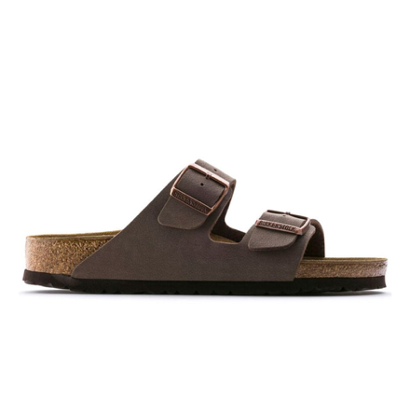
Birkenstock Arizona BFBC Brown narrow | 4040714059341 | 151183 | 43 | € 100.00 | € 59.50 | 22 | 1309
Birkenstock Arizona BFBC Brown narrow | 4040714059358 | 151183 | 44 | € 100.00 | € 59.50 | 8 | 476
Birkenstock Arizona BFBC Brown narrow | 4040714059365 | 151183 | 45 | € 100.00 | € 59.50 | 12 | 714
Birkenstock Arizona BFBC Brown narrow | 4040714059372 | 151183 | 46 | € 100.00 | € 59.50 | 5 | 297.5
 |  |  |  |  |  |  | 29344.5

